Table 1
IDTA 02056-1-0 Data Retention Policies
June 2024
S P E C I F I C A T I O N
Submodel Template of the Asset Administration Shell

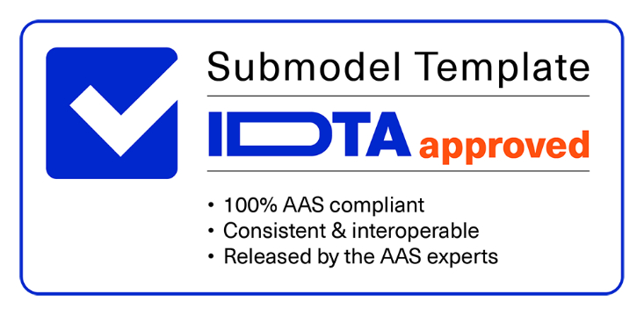

Imprint
2
3 4 Publisher 5 Industrial Digital Twin Association 6 Lyoner Strasse 18 7 60528 Frankfurt am Main 8 Germany 9 https://www.industrialdigitaltwin.org/ 10 11 12 Version history 13 14
Date | Version/Revision | Comment
2024-06-14 | 1.0 | Release of the official Submodel template published by IDTA.
Contents
1 General 6 1.1 About this document 6 1.2 Scope of the Submodel 6 1.3 Use cases, requirements and design decisions 7 1.3.1 Design Decisions 7 2 Submodel Data Retention Policies 9 2.1 Approach 9 2.2 Overview of Data Retention Policies 9 2.3 Elements of SM “DataRetentionPolicies” 10 2.4 Elements of SMC “Policies” 10 2.5 Elements of SMC “Policy” 11 2.6 Elements of SMC “Source” 12 2.7 Elements of SML “AuditLog” 13 2.8 Elements of SMC “Activity” 13 Annex A. Explanations on used table fo
Figures
Figure 1: Inheritance of data retention policies 8 Figure 2: Data Retention Policies Class Diagram. 9
Tables
Table 1: Use cases 7 Table 2: Elements of SM DataRetentionPolicies 10 Table 3: Elements of SMC Policies 10 Table 3: Elements of SMC Policy 11 Table 4: Elements of SMC Source 12 Table 4: Elements of SML AuditLog 13 Table 5: Elements of SMC Activity 13
1 General
1.1 About this document This document is a part of a specification series. Each part specifies the contents of a Submodel template for the Asset Administration Shell (AAS). The AAS is described in [1], [2], [3] and [6]. First exemplary Submodel contents were described in [4], while the actual format of this document was derived by the "Administration Shell in Practice" [5]. The format aims to be very concise, giving only minimal necessary information for applying a Submodel template, while leaving deeper descriptions and specification of concepts, structures and mapping to the respective documents [1] to [6]. The target group of the specification are developers and editors of technical documentation and manufacturer information, which are describing assets in smart manufacturing by means of the Asset Administration Shell (AAS) and therefore need to create a Submodel instance with a hierarchy of SubmodelElements. This document especially details on the question, which SubmodelElements with which semantic identification shall be used for this purpose. 1.2 Scope of the Submodel This Submodel describes a common representation of data retention policies that can be applied to elements in the Asset Administration Shell via semantic identifiers. Based on this information, it is possible to automate the reduction, archiving, or removal of data stored in the Asset Administration Shell. Such data can be, for example, raw sensor data, large images, sensitive data, or any data that becomes obsolete over time. A data retention policy defines how long data must be stored before it may be deleted. It also provides information about the policy provider, the specific requirement or law that enforces the policy, and the timeframe between which the policy is in effect. Additionally, the authorship of each policy can be traced through an audit log, in which all changes to the policy are documented. Based on this information, an automated service can apply and validate each policy

Table 3
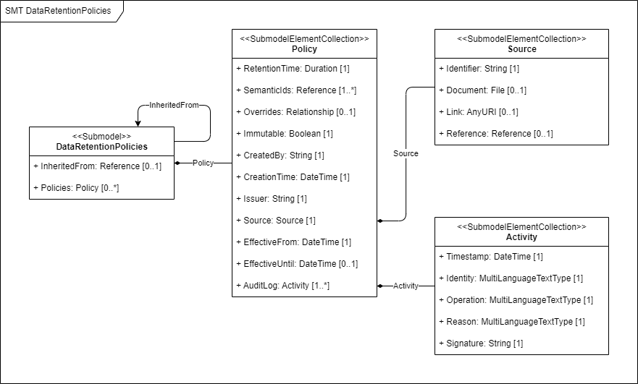
Figure 1: Inheritance of data retention policies. Resolving conflicts in data retention policies When evaluating data retention policies, different conflicts may occur.
Conflict | Expected Behaviour
A descendant element has a longer retention period than its ancestor, in which case the deletion of the ancestor would conflict with the data retention policy of its descendant. | The ancestor is not deleted until all its descendants have reached the end of their retention period.
The deletion of an element conflicts with its expected minimum cardinality. | The element is not deleted.
Removing a data retention policy Submodel With the information provided in the data retention policy Submodel, it is also possible to determine when each of the policies can be removed. Based on the values of “EffectiveUntil” and “RetentionTime” the removal of the policy can be automated. For example, a policy with a retention time of 1 year that is effective until 31.12.2023 will be obsolete on 31.12.2024 (this is when the last element affected by the policy becomes obsolete).
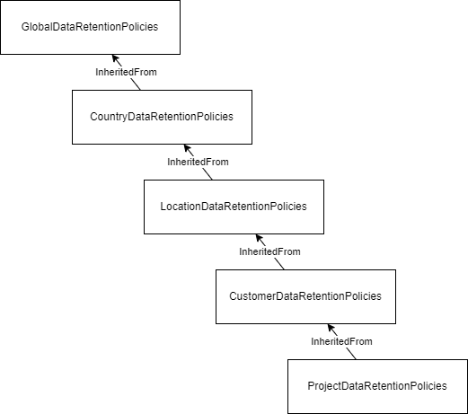
2 Submodel Data Retention Policies
2.1 Approach In this document, one Submodel for zero or more data retention policies is defined. The Submodel is usable in Asset Administration Shells for type and instance assets and may refer to another Submodel for data retention policies that the Submodel is based on. Each policy has an audit log with information about changes to the policy.
Figure 2: Data Retention Policies Class Diagram. The following guidelines are defined for this Submodel: • Data retention policies defined for an Asset Administration Shell of kind “Type” also apply to all Asset Administration Shells of kind “Instance” that are derived from it. • A data retention policy may apply to one or more semantic identifiers. • A data retention policy enforcement system may add qualifiers to target elements that define the policy source and deletion time. o Qualifier “KeepUntil” = DateTime of deletion (e.g., “2024-12-31T23:59:59.999Z”) o Qualifier “PolicySource” = Reference to policy
2.2 Overview of Data Retention Policies The data retention policies Submodel describes zero or more policies in the form of SMCs. Each SMC represents a data retention policy with information and metadata about the policy and an audit log to keep track of changes.

